Invoice
 |  |  |  |  | INVOICE

Your contact info |  |  | Invoice number | (Leave blank to auto-number)
Business name |  |  | Invoice date * | 2015-07-08
Business email |  |  | Due date
Click the plus (+) to the left to add more info. (To delete a tip, click the edge to select it and press Delete.)
 |  |  | Currency | USD
Send to
Recipient's email *

Item name * | Description | Quantity * | Unit price * | Amount | Taxable
Item 1 | Description 1 | 0 | $0.00 | $0.00 | Yes
Press the Tab key to add more rows.

 |  | Subtotal |  | $0.00
 |  | Discount type | Amount
 |  | Discount | ($0.00) | $0.00
 |  | Shipping | $0.00 | $0.00
 |  | Shipping taxable? | Yes
 |  | Sales tax rate | 0.00% | $0.00
 |  | Total |  | $0.00

Terms & conditions |  |  |  |  | Characters remaining: 4000

Note to recipient |  |  |  |  | Characters remaining: 4000

Memo (Your recipient won't see this) |  |  |  |  | Characters remaining: 150

FAQs
Frequently Asked Questions

This invoicing template was built to be used with Excel 2013.

When you download the template an application should appear that enables you to send and manage your invoices. If this application does not appear, on the Insert tab, in the Apps group, click Apps for Office. Search for PayPal Invoicing, and then insert it.

What if I don’t have Excel 2013?

If you have an older version of Excel you can download PayPal’s Excel Invoicing Application for Excel 2007 & Excel 2010.
Click this link to get the invoicing add-in.

Or, you can try an Office 365 plan that includes a desktop version of Excel 2013 free for one month.
Click this link to try 1 month for free.

Can I use this tool to manage invoices created on PayPal.com?

Yes. All invoices that you created using the web invoicing tool on PayPal.com will appear on your invoice management screen. A blue "W" will appear next to the invoice to indicate it was created on the web. To view or edit these invoices you can click the View and Edit action.

How do I add a logo to my invoice?

To add a logo to your invoice, go to the invoice logo page in your PayPal account and add a logo. This image will be used in the invoice that is sent to your customers from Excel.
Click this link to go to the invoice logo page in your PayPal account.
Note: Your logo will not be displayed in the Excel template, but will be displayed to your customer in the invoice that you send.

How do I add or edit my business information?

Click the [+] sign to the left of the business information to expand the section and enter more details.

How do I add or edit my customer's billing or shipping information?

Click the [+] sign to the left of your recipient's email address to display the billing and shipping section.

The web application panel disappeared. How do I get it back?

On the Insert tab, in the Apps group, click Apps for Office. Search for PayPal Invoicing, and then insert it.

What will my customers receive when I submit the invoice?

When you send the invoice, your customer will receive an email that shows the summary of the invoice. It will also include a button to View and Pay the Invoice.
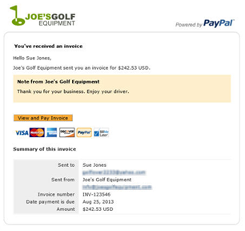

When your customer clicks View and Pay Invoice, they will see the details of the invoice and a button to pay online.
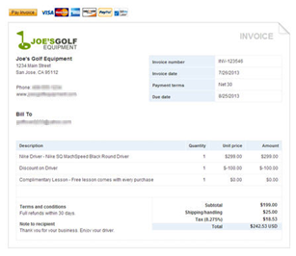

What should I do if I still have questions?

Additional answers can be found in the web panel under More in the FAQ section.
If you have unanswered questions or ideas for improvements to the invoicing tool, feel free to send feedback to:
excelinvoicing2013@paypal.com

